Exercise 01
Phone calls
Name | No. calls | Hours worked | Calls per Hour | Bonus
Angus | 42 | 5 | 8.4 | 14.7
Penelope | 6 | 4 | 1.5 | 2.625 | Instruction- | Format the table in left as shown in below image
Jethro | 39 | 6 | 6.5 | 11.375
Mirabelle | 15 | 6 | 2.5 | 4.375
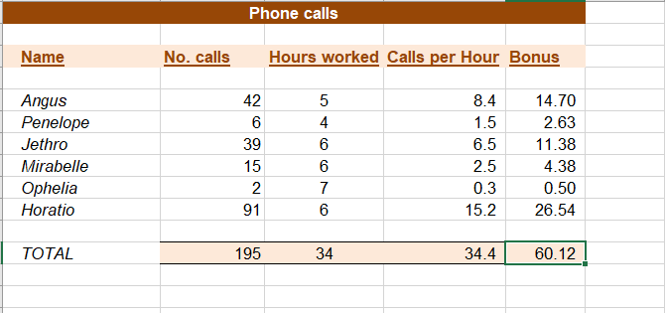
Ophelia | 2 | 7 | 0.28571428571 | 0.5
Horatio | 91 | 6 | 15.166666667 | 26.541666667
TOTAL | 195 | 34 | 34.352380952 | 60.116666667

